task_source_solution
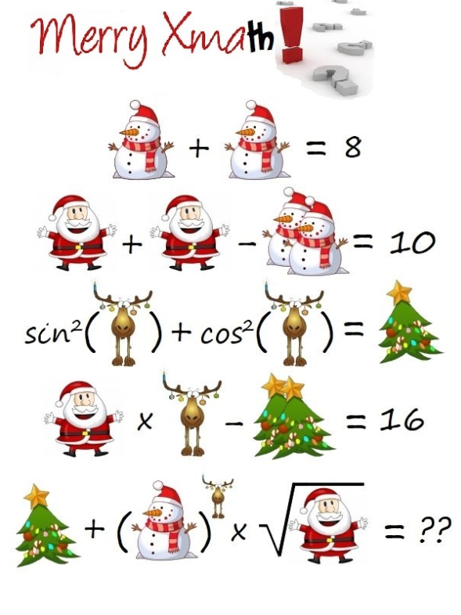
https://scontent.fbud5-1.fna.fbcdn.net/v/t1.15752-9/80990323_594434511371729_398439490370142208_n.png?_nc_cat=108&_nc_ohc=2terqbpXv2wAQnNJqEsFU1HisPiYJk5ofgK9zUhdqYsKA6Rr3i1HmgAOw&_nc_ht=scontent.fbud5-1.fna&oh=40dc1e52bee854dc621617f3fb6e7f2d&oe=5E71F4B6
 | worth knowing
 | https://www.youtube.com/watch?v=o-fAx_96lgw

 | variables
 | snowman | 4 | =8/2
 | santa | 9 | =(10+4+4)/2
 | rudolph | 2
 | tree | 1 | =N7*N8-16 | sin^2(x)+cos^2(x)=1

 | equations
 | 0.00
 | 0.00
 | 0.00
 | 0.00
 | error
 | 0.00
 | task
 | 49

