demo
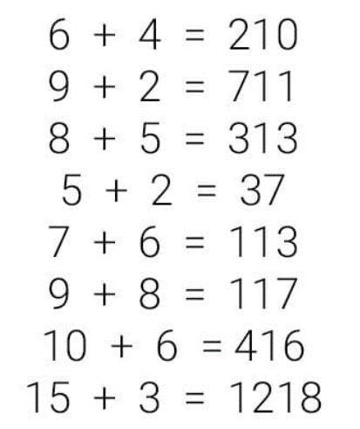

https://www.facebook.com/kerekes5530/photos/a.374696465987542/861220507335133/?type=3&theater

Rules
1) the first number(s) on the conclusion-site (Y) can be derived as the difference of X1 (A1) and X2 (A2)
2) the last number(s) on the conclusion-site (Y) can be derived as the sum of X1 (A1) and X2 (A2)
Speciality: the lengths of the first and the last PARTS can not be identfied in a simply way…
Speciality: minus sing can be seen as a special challenge

