Munka1
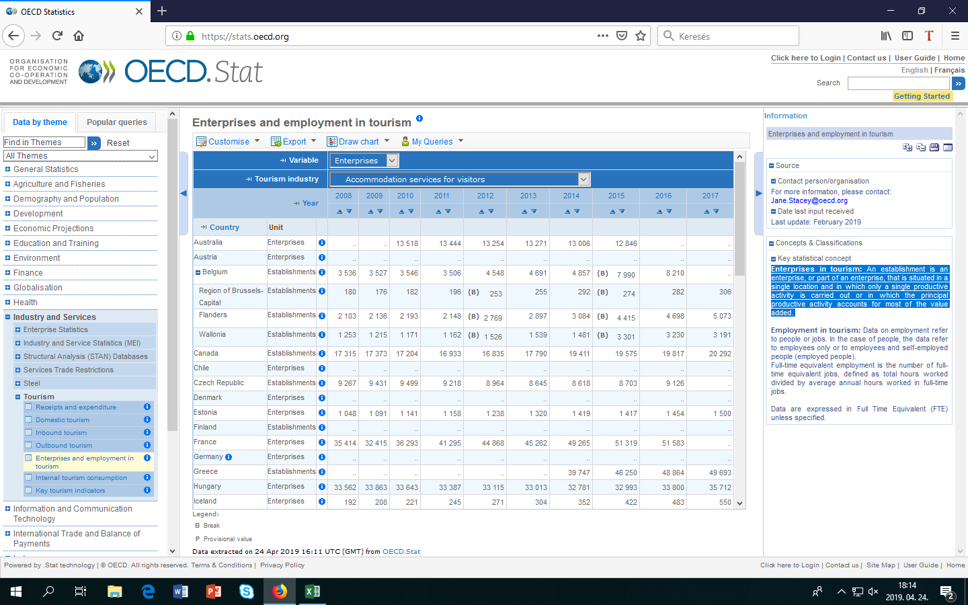
Enterprises in tourism: An establishment is an enterprise, or part of an enterprise, that is situated in a single location and in which only a single productive activity is carried out or in which the principal productive activity accounts for most of the value added.

